16.07.2026
Kép | Modell | Név | Szorti | Stock | NK ár | Kedv NK ár | SRP
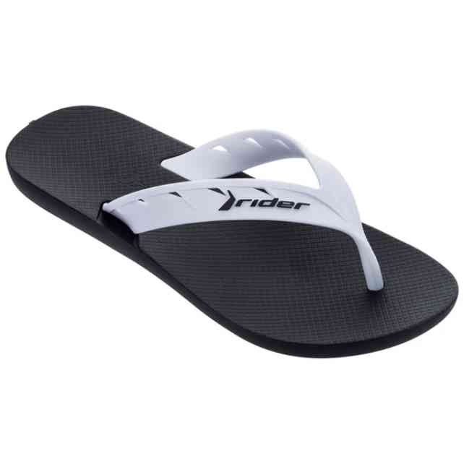 | 11573-20829 | RIDER STREET AD | 1-3-5-3 | 12 | 2,913 Ft | 2,476 Ft | 6,990 Ft
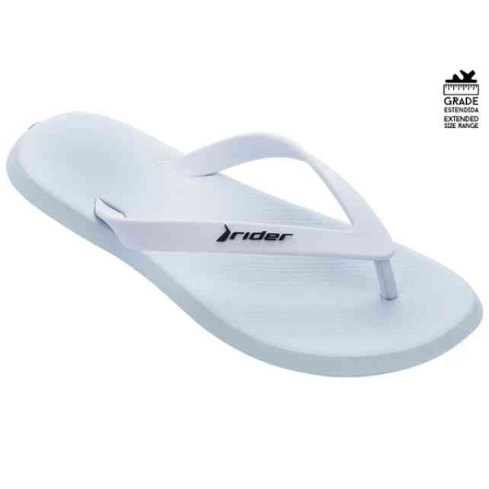 | 11650-20746 | RIDER R1 SPEED AD | 1-2-2-3-2-1-1 | 24 | 3,329 Ft | 2,830 Ft | 7,990 Ft
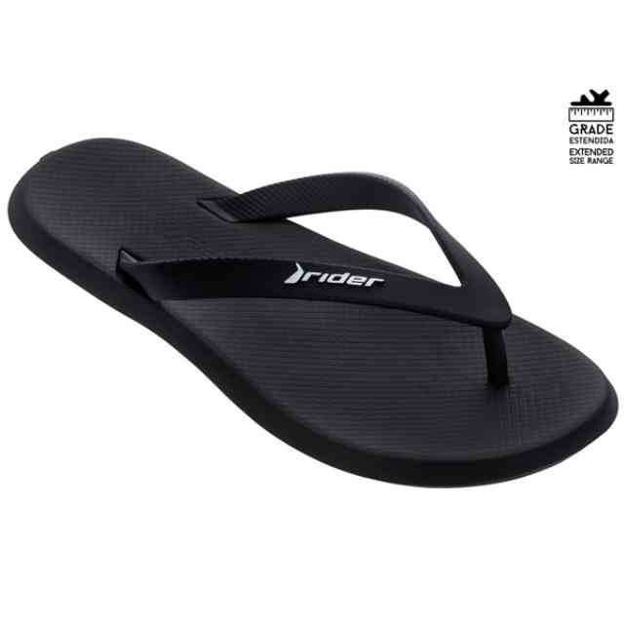 | 11650-20766 | RIDER R1 SPEED AD | 1-2-2-3-2-1-1 | 24 | 3,329 Ft | 2,830 Ft | 7,990 Ft
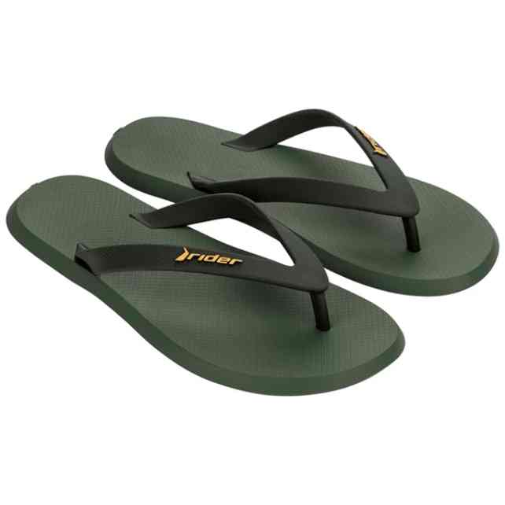 | 11650-BC974 | RIDER R1 SPEED AD | 1-2-2-3-2-1-1 | 12 | 3,329 Ft | 2,830 Ft | 7,990 Ft
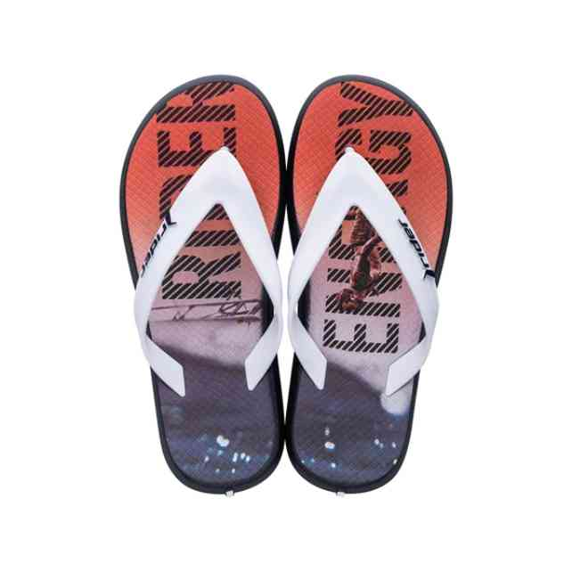 | 11728-26009 | RIDER R1 ENERGY KIDS | 1-1-2-2-2-2-2 | 12 | 2,913 Ft | 2,476 Ft | 6,990 Ft
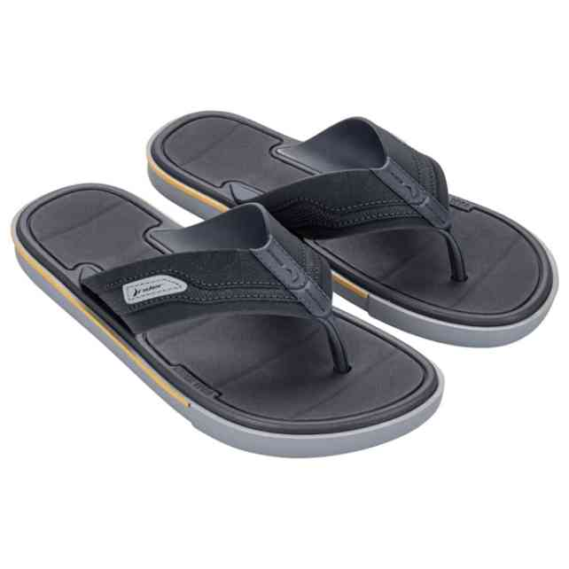 | 11772-BO726 | RIDER SPIN THONG AD | 1-2-4-3-2 | 71 | 4,996 Ft | 4,247 Ft | 11,990 Ft
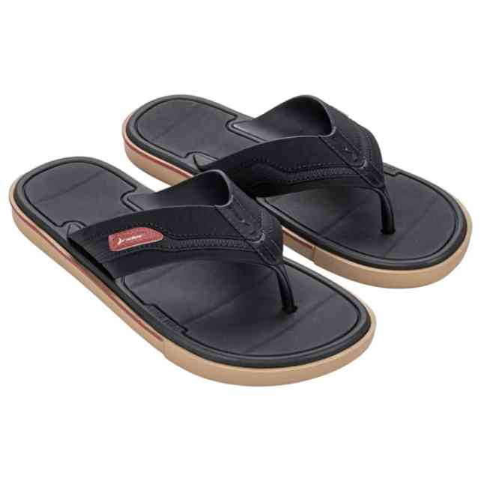 | 11772-BO729 | RIDER SPIN THONG AD | 1-2-4-3-2 | 12 | 4,996 Ft | 4,247 Ft | 11,990 Ft
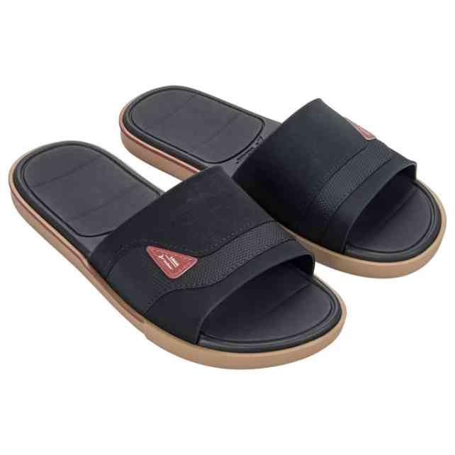 | 11795-BO748 | RIDER SPIN SLIDE AD | 1-2-4-3-2 | 12 | 5,413 Ft |  | 12,990 Ft
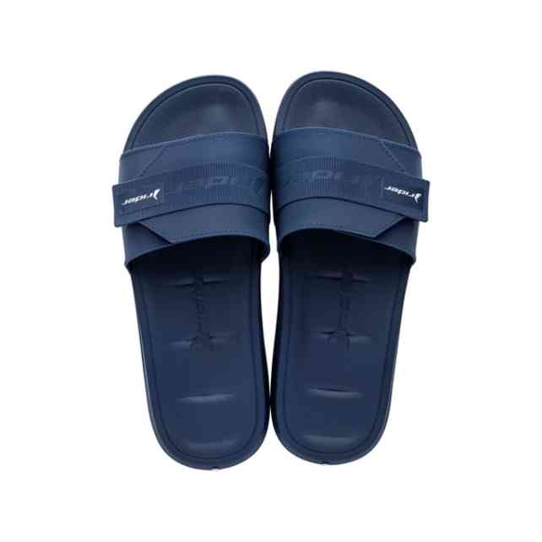 | 11808-22892 | RIDER FREE MIX SLIDE | 1-2-3-3-2-1 | 12 | 5,413 Ft |  | 12,990 Ft
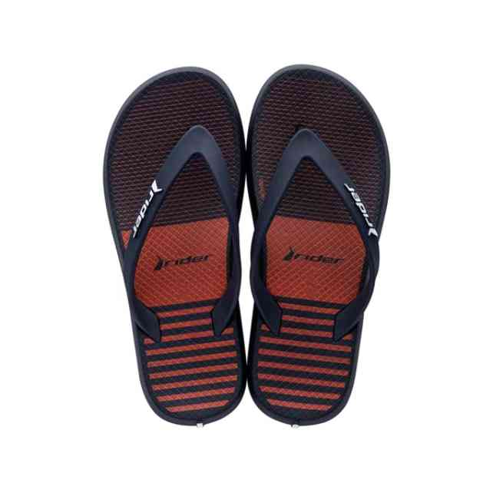 | 11957-21248 | RIDER R1 STYLE DEDO | 1-1-2-2-2-2-2 | 12 | 3,329 Ft | 2,830 Ft | 7,990 Ft
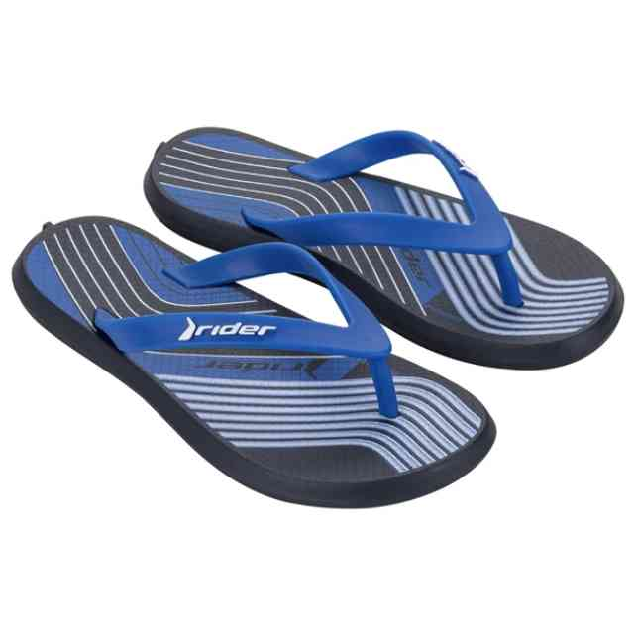 | 11957-BK468W | RIDER R1 STYLE DEDO | 1-1-1-1-1-1 | 6 | 2,496 Ft | 2,122 Ft | 5,990 Ft
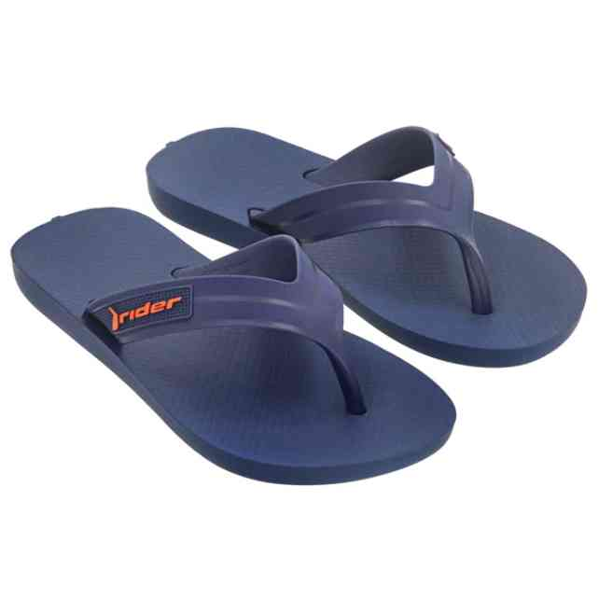 | 12121-AF977 | RIDER STRIKE II INF | 1-1-2-2-2-2-2 | 12 | 2,913 Ft | 2,476 Ft | 6,990 Ft
 | 12223-BM114 | RIDER STEP SLIDE KID | 1-1-2-2-2-2-2 | 35 | 2,913 Ft | 2,476 Ft | 6,990 Ft
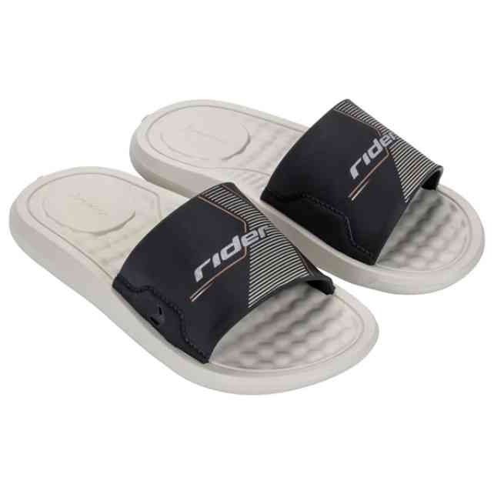 | 12223-BM114W | RIDER STEP SLIDE KID | 1-1-1-1-1-1 | 6 | 2,913 Ft | 2,476 Ft | 6,990 Ft
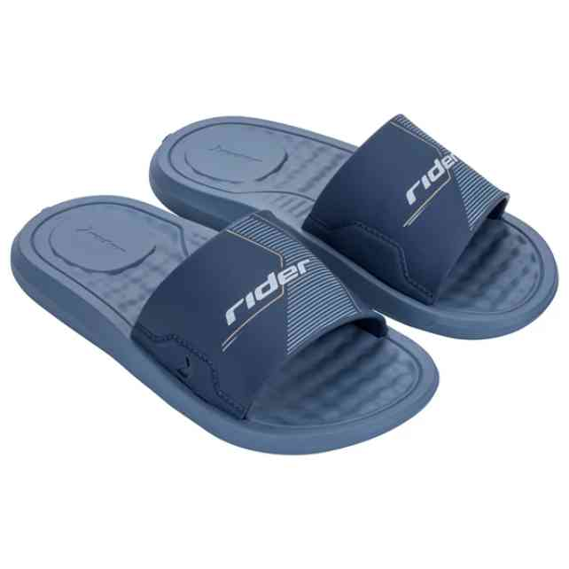 | 12223-BM120 | RIDER STEP SLIDE KID | 1-1-2-2-2-2-2 | 46 | 2,913 Ft | 2,476 Ft | 6,990 Ft
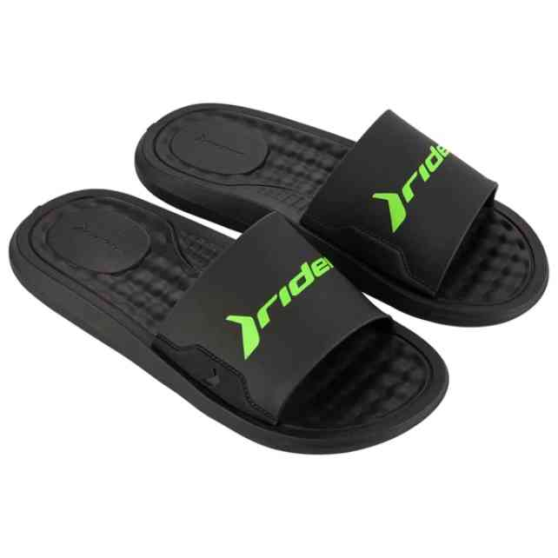 | 12265-AT243 | RIDER STEP SLIDE AD | 2-2-3-3-2 | 259 | 3,746 Ft | 3,184 Ft | 8,990 Ft
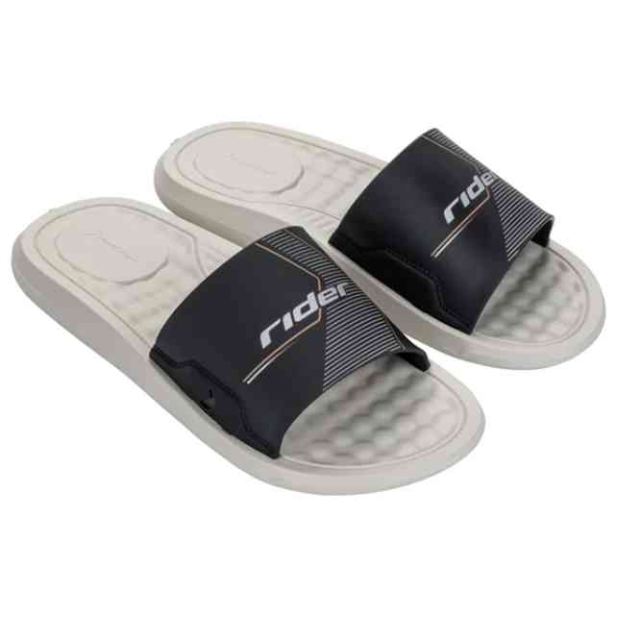 | 12265-BM093W | RIDER STEP SLIDE AD | 1-1-2-1-1 | 6 | 3,746 Ft | 3,184 Ft | 8,990 Ft
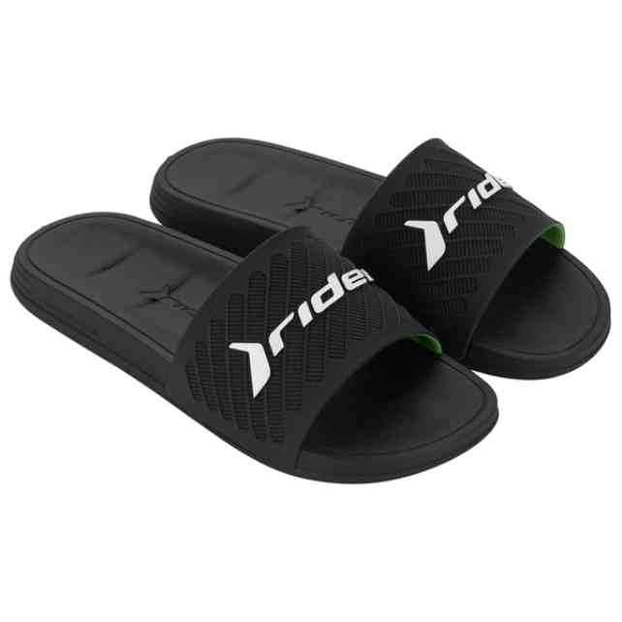 | 12323-AV709 | RIDER FREE II SLIDE | 1-3-3-3-2 | 397 | 3,746 Ft |  | 8,990 Ft
 | 12323-BA406 | RIDER FREE II SLIDE | 1-2-4-3-2 | 160 | 4,996 Ft |  | 11,990 Ft
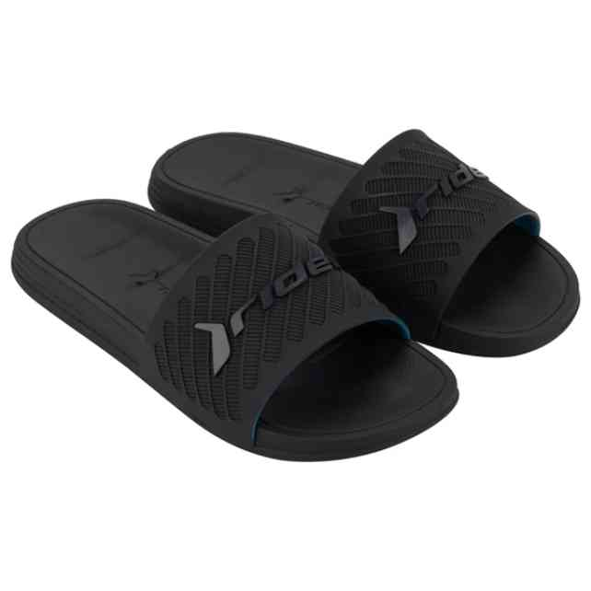 | 12323-BA406N | RIDER FREE II SLIDE | 1-3-3-3-2 | 180 | 3,746 Ft |  | 8,990 Ft
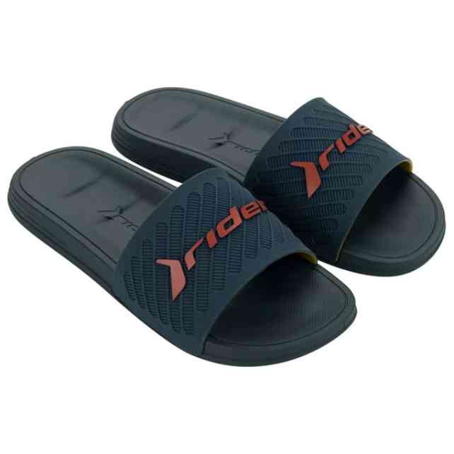 | 12323-BP711 | RIDER FREE II SLIDE | 1-3-3-3-2 | 46 | 3,746 Ft |  | 8,990 Ft
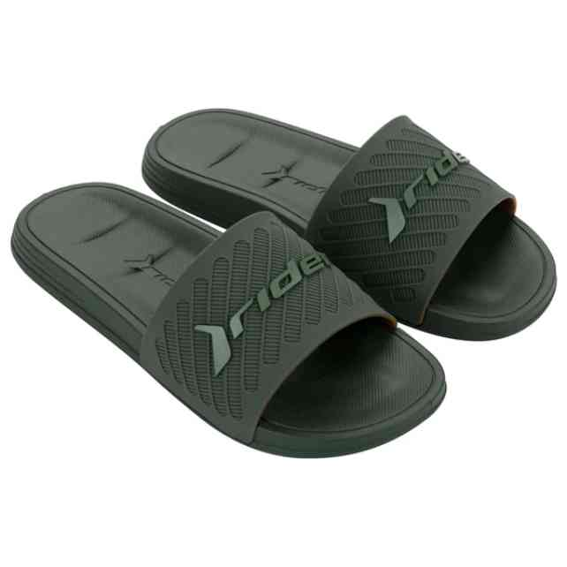 | 12323-BP716 | RIDER FREE II SLIDE | 1-3-3-3-2 | 36 | 3,746 Ft |  | 8,990 Ft
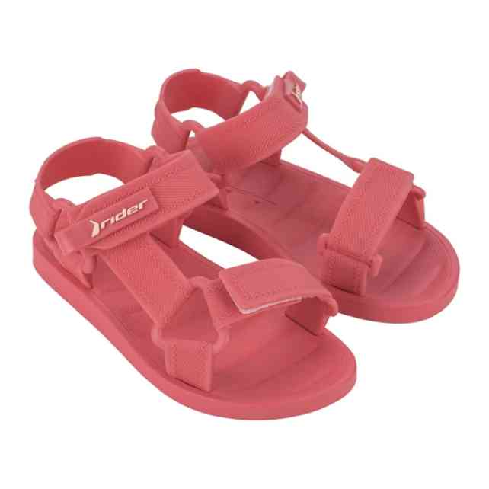 | 12347-AY563 | RIDER FREE STYLE II | 1-1-2-2-2-2-2 | 57 | 5,829 Ft | 4,955 Ft | 13,990 Ft
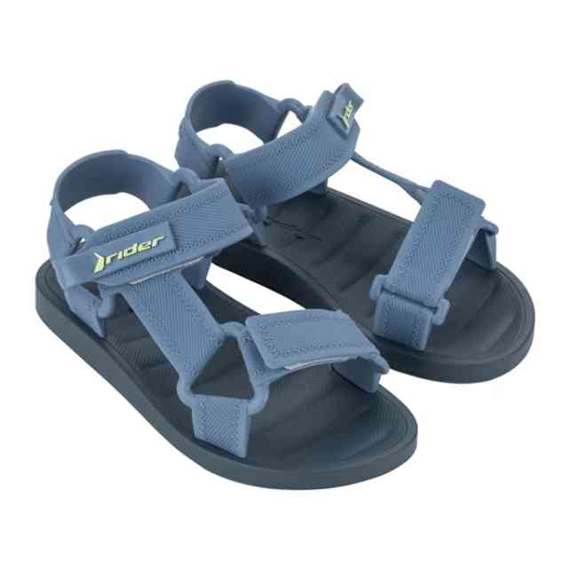 | 12347-BB996 | RIDER FREE STYLE II | 1-1-2-2-2-2-2 | 57 | 5,829 Ft | 4,955 Ft | 13,990 Ft
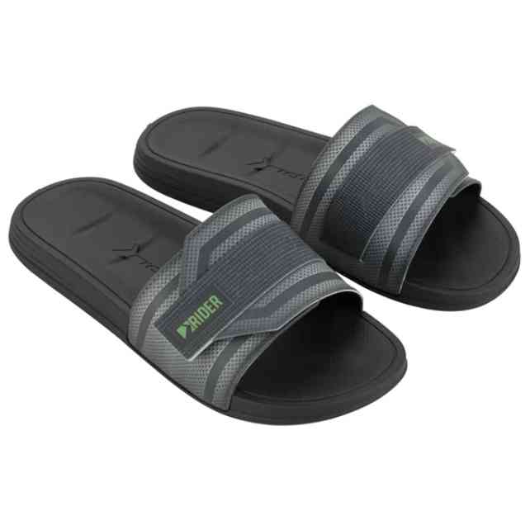 | 12394-BB536 | RIDER WALK SLIDE AD | 1-2-3-3-2-1 | 150 | 4,996 Ft |  | 11,990 Ft
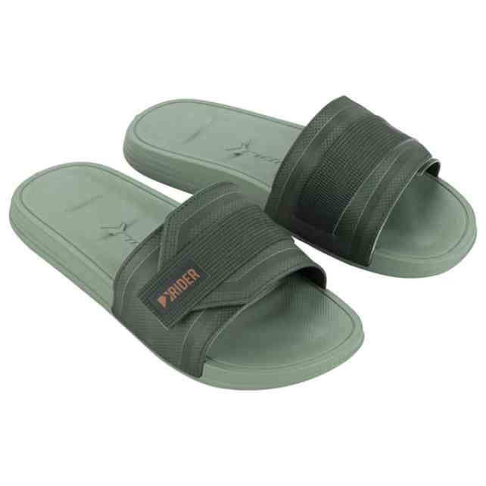 | 12394-BB538 | RIDER WALK SLIDE AD | 1-2-3-3-2-1 | 60 | 4,996 Ft |  | 11,990 Ft
 | 12424-BO154 | RIDER PUMP II SLIDE | 1-2-3-3-2-1 | 12 | 6,663 Ft |  | 15,990 Ft
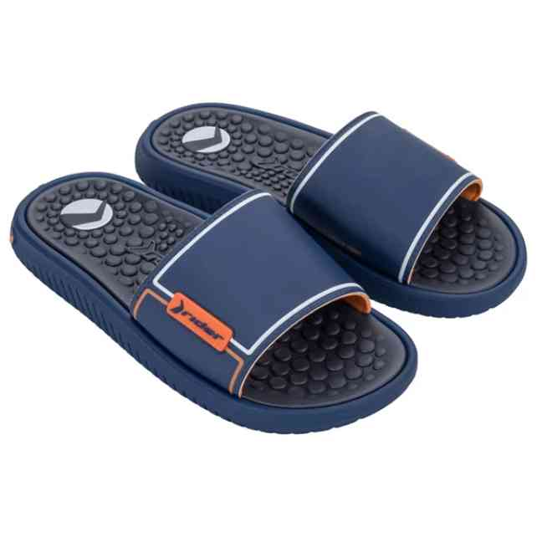 | 12424-BO155 | RIDER PUMP II SLIDE | 1-2-3-3-2-1 | 12 | 6,663 Ft |  | 15,990 Ft
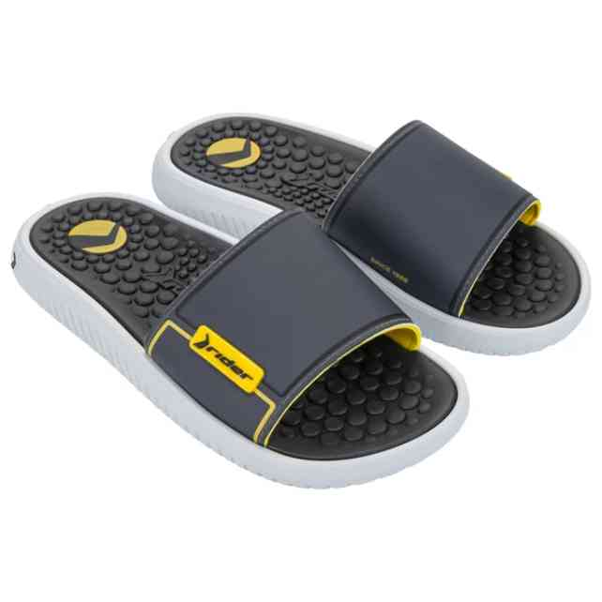 | 12424-BO157 | RIDER PUMP II SLIDE | 1-2-3-3-2-1 | 36 | 6,663 Ft | 5,664 Ft | 15,990 Ft
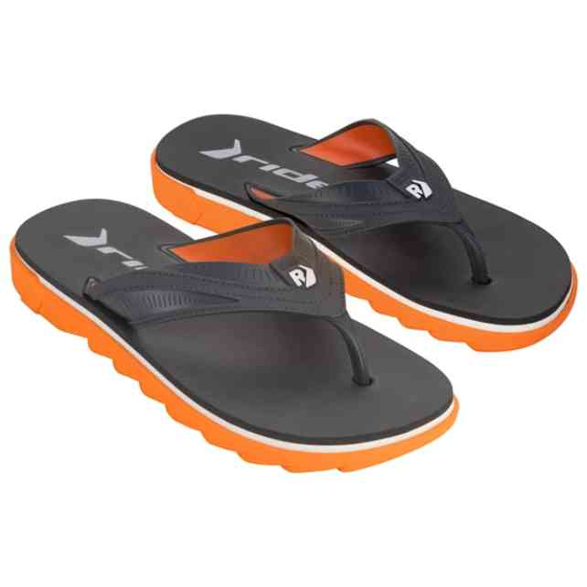 | 12425-BE385 | RIDER RW PLUS THONG | 1-2-4-3-2 | 84 | 7,496 Ft | 6,372 Ft | 17,990 Ft
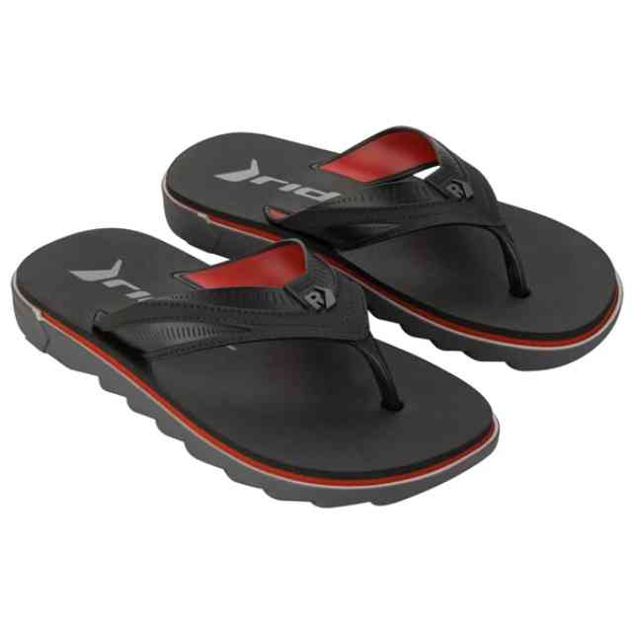 | 12425-BE389 | RIDER RW PLUS THONG | 1-2-4-3-2 | 24 | 7,496 Ft | 6,372 Ft | 17,990 Ft
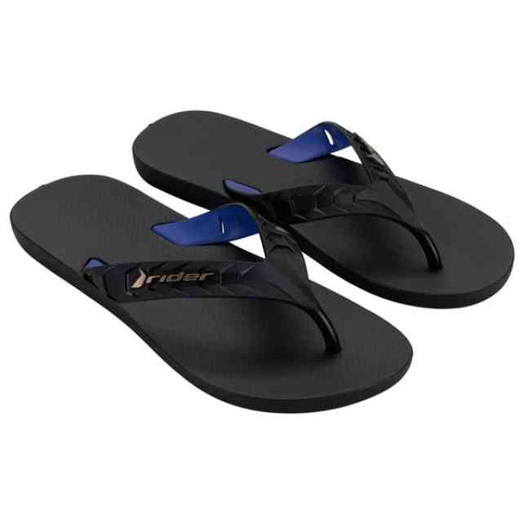 | 12430-BC595 | RIDER STREET DUO THO | 1-4-5-2 | 108 | 2,913 Ft | 2,476 Ft | 6,990 Ft
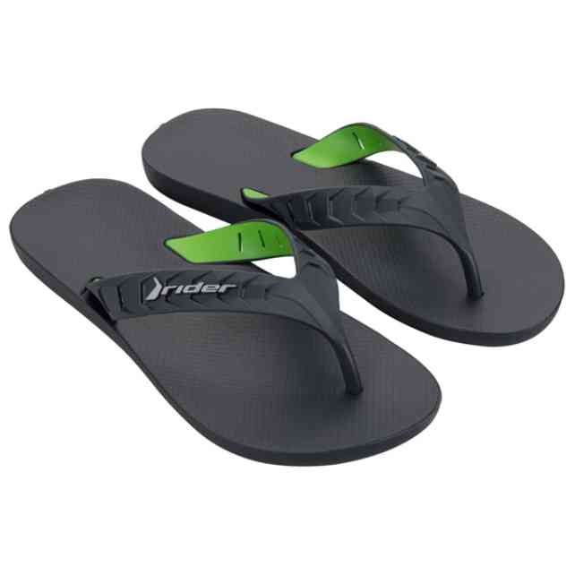 | 12430-BK231 | RIDER STREET DUO THO | 1-4-5-2 | 48 | 2,913 Ft | 2,476 Ft | 6,990 Ft
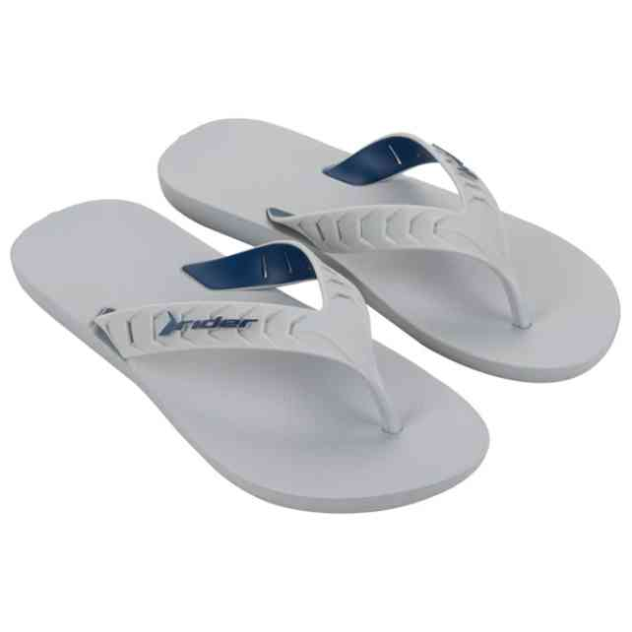 | 12430-BK235 | RIDER STREET DUO THO | 1-4-5-2 | 24 | 2,913 Ft | 2,476 Ft | 6,990 Ft
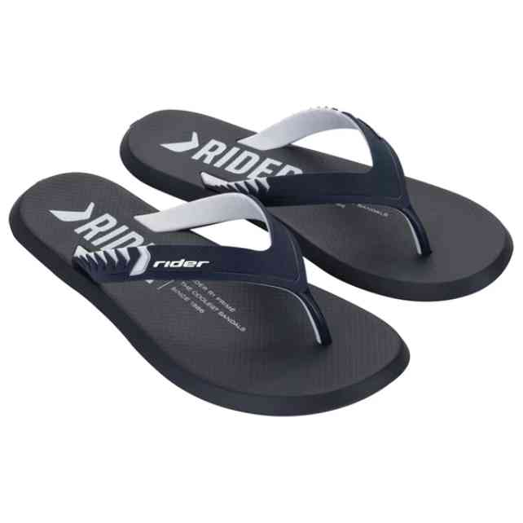 | 12438-BM575 | RIDER R1 PRIME THONG | 1-2-3-3-2-1 | 24 | 4,163 Ft | 3,539 Ft | 9,990 Ft
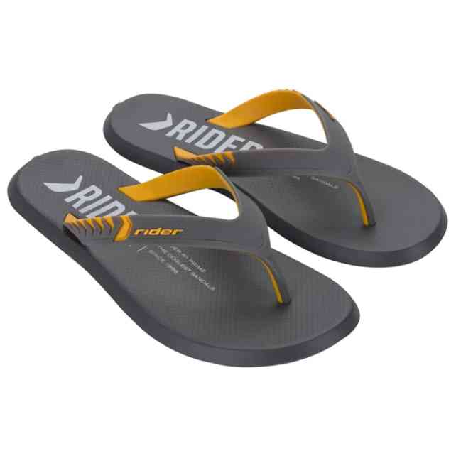 | 12438-BM576 | RIDER R1 PRIME THONG | 1-2-3-3-2-1 | 24 | 4,163 Ft | 3,539 Ft | 9,990 Ft
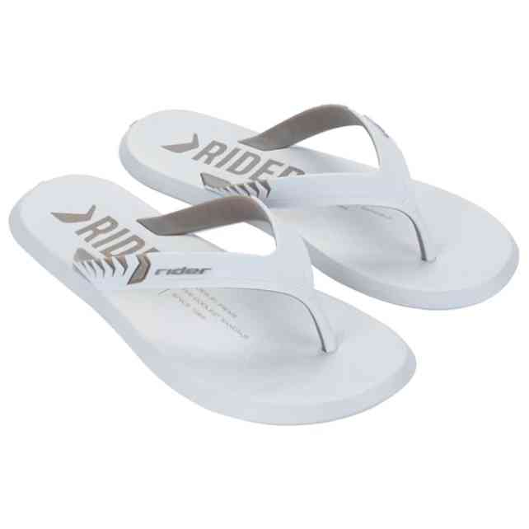 | 12438-BM581 | RIDER R1 PRIME THONG | 1-2-3-3-2-1 | 12 | 4,163 Ft | 3,539 Ft | 9,990 Ft
 | 12438-BM581W | RIDER R1 PRIME THONG | 1-1-1-1-1-1 | 6 | 4,163 Ft | 3,539 Ft | 9,990 Ft
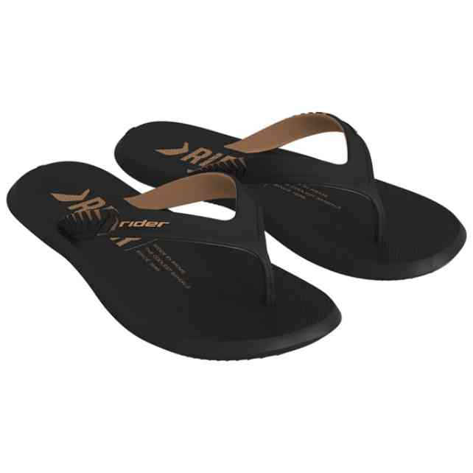 | 12438-BQ682 | RIDER R1 PRIME THONG | 1-2-3-3-2-1 | 24 | 4,163 Ft | 3,539 Ft | 9,990 Ft
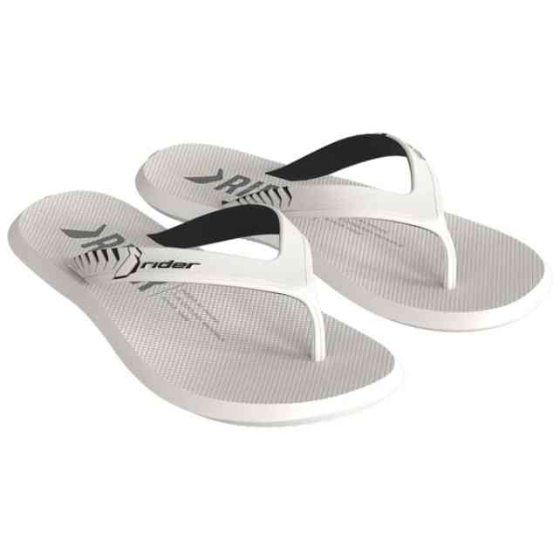 | 12438-BQ685 | RIDER R1 PRIME THONG | 1-2-3-3-2-1 | 24 | 4,163 Ft | 3,539 Ft | 9,990 Ft
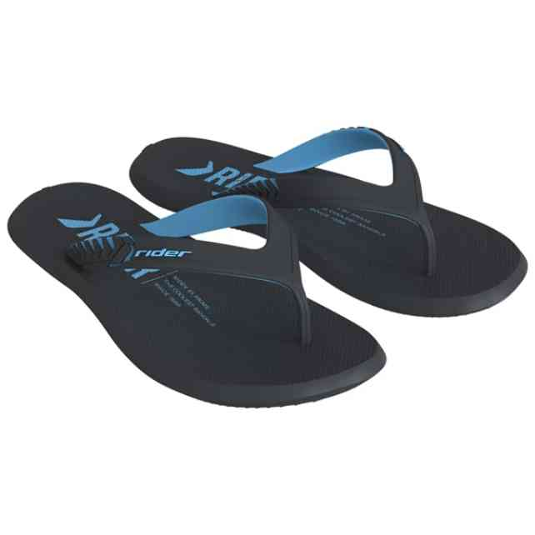 | 12438-BQ687 | RIDER R1 PRIME THONG | 1-2-3-3-2-1 | 24 | 4,163 Ft | 3,539 Ft | 9,990 Ft
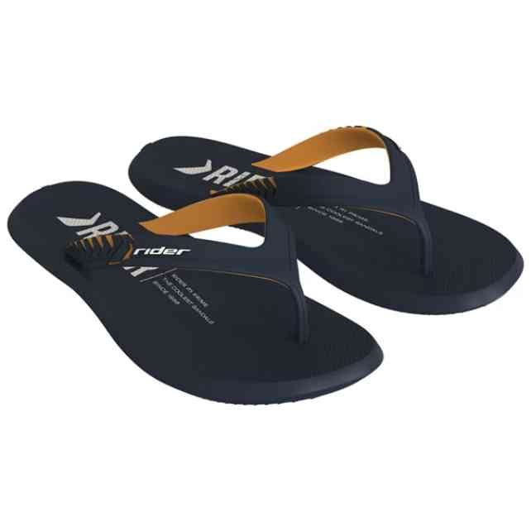 | 12438-BS745 | RIDER R1 PRIME THONG | 1-2-3-3-2-1 | 24 | 4,163 Ft | 3,539 Ft | 9,990 Ft
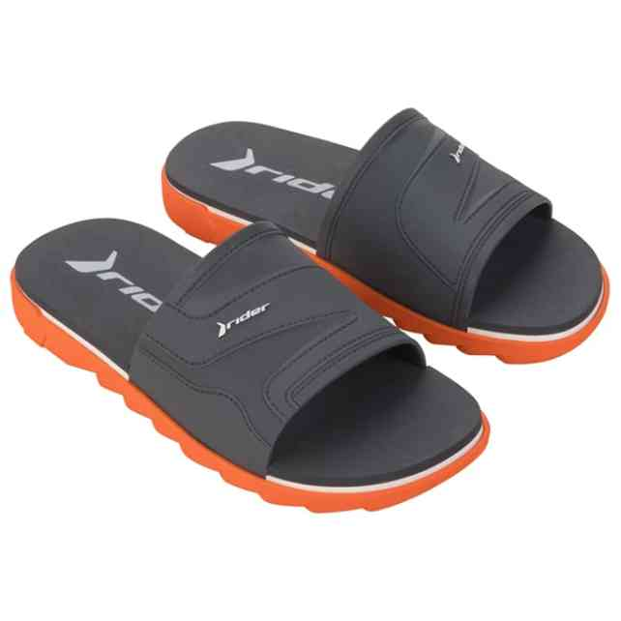 | 12441-BF550W | RIDER RW PLUS SLIDE | 1-1-2-1-1 | 6 | 7,496 Ft |  | 17,990 Ft
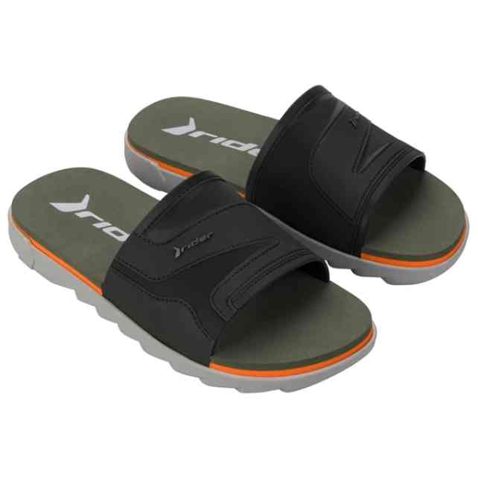 | 12441-BF553 | RIDER RW PLUS SLIDE | 2-2-3-3-2 | 12 | 7,496 Ft |  | 17,990 Ft
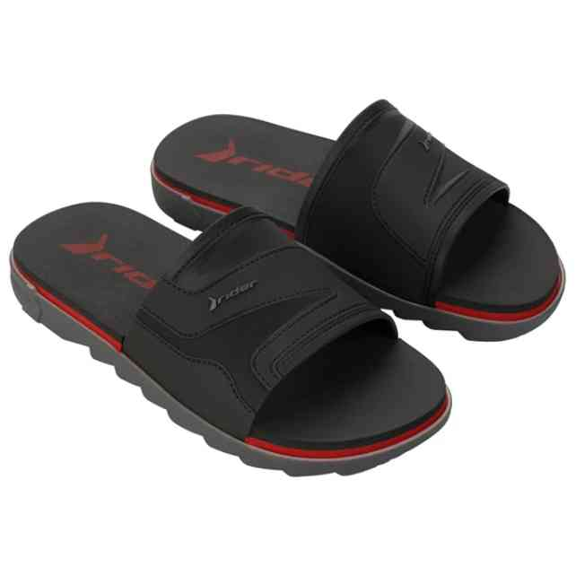 | 12441-BF554 | RIDER RW PLUS SLIDE | 2-2-3-3-2 | 12 | 7,496 Ft |  | 17,990 Ft
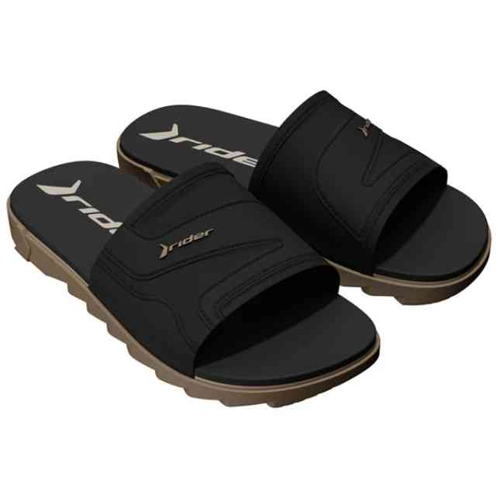 | 12441-BT811 | RIDER RW PLUS SLIDE | 2-2-3-3-2 | 72 | 7,496 Ft |  | 17,990 Ft
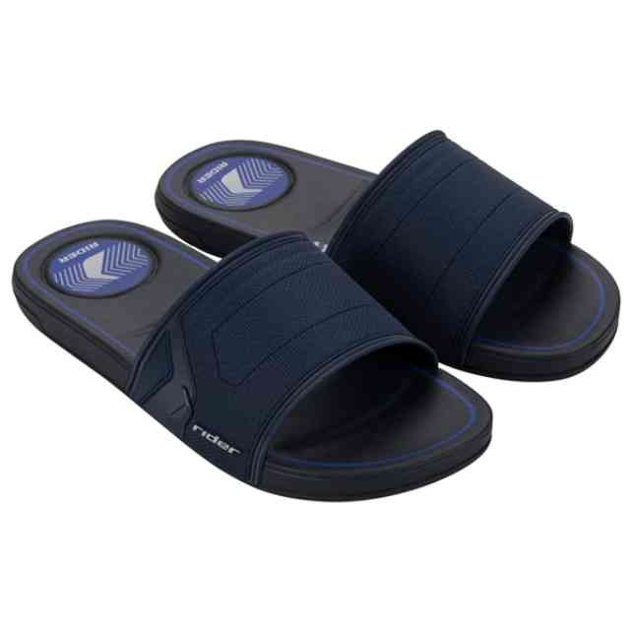 | 12442-BE966 | RIDER START SLIDE AD | 1-3-3-3-2 | 192 | 3,746 Ft |  | 8,990 Ft
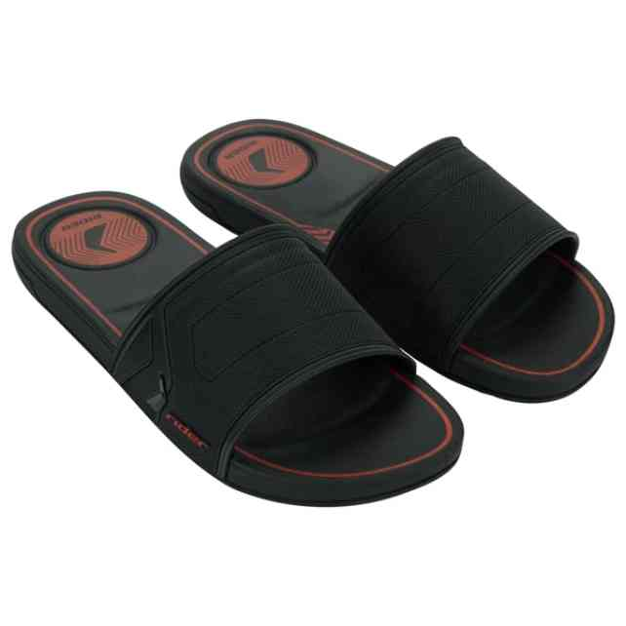 | 12442-BT201 | RIDER START SLIDE AD | 1-3-3-3-2 | 420 | 3,746 Ft |  | 8,990 Ft
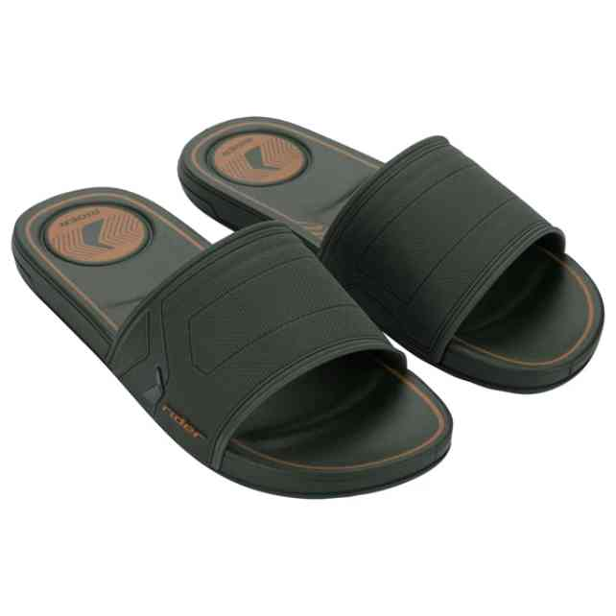 | 12442-BT203 | RIDER START SLIDE AD | 1-3-3-3-2 | 72 | 3,746 Ft |  | 8,990 Ft
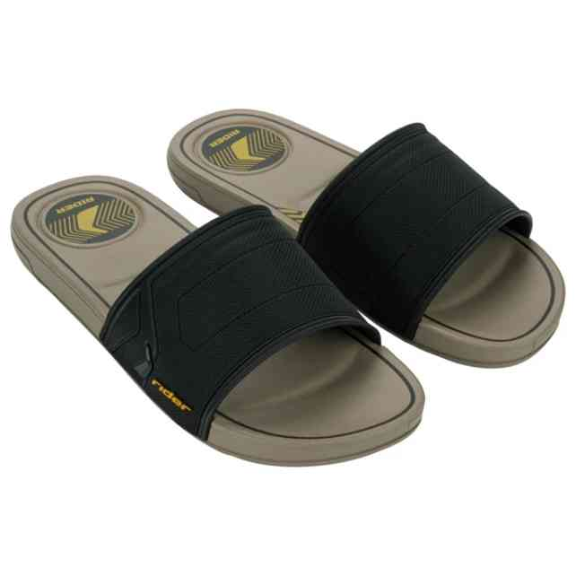 | 12442-BT205 | RIDER START SLIDE AD | 1-3-3-3-2 | 107 | 3,746 Ft |  | 8,990 Ft
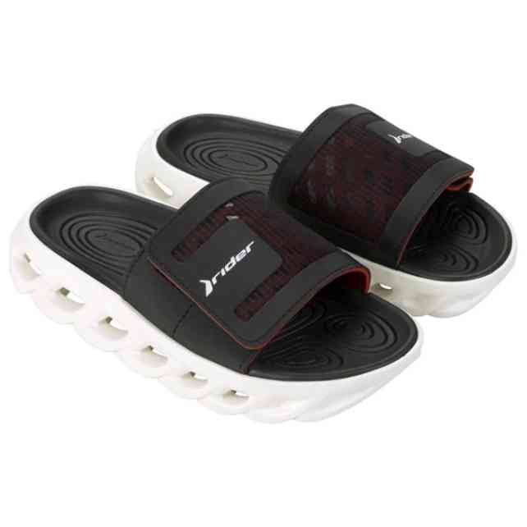 | 12444-BG997A | RIDER R POWER SLIDE | 1-2-3-3-2-1 | 48 | 8,329 Ft | 7,080 Ft | 19,990 Ft
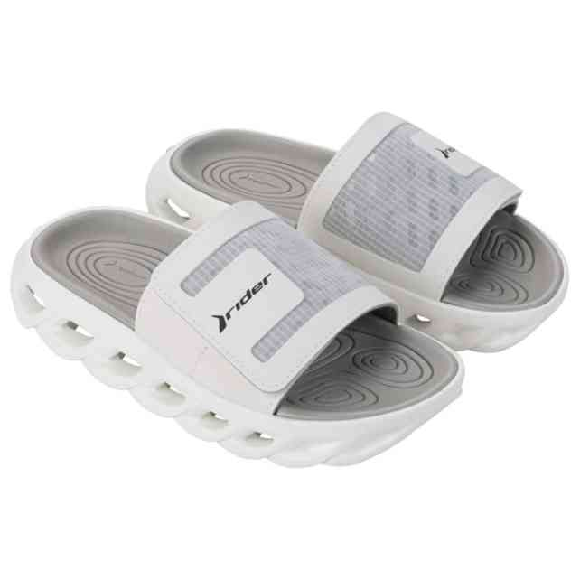 | 12444-BH003A | RIDER R POWER SLIDE | 1-2-3-3-2-1 | 11 | 8,329 Ft | 7,080 Ft | 19,990 Ft
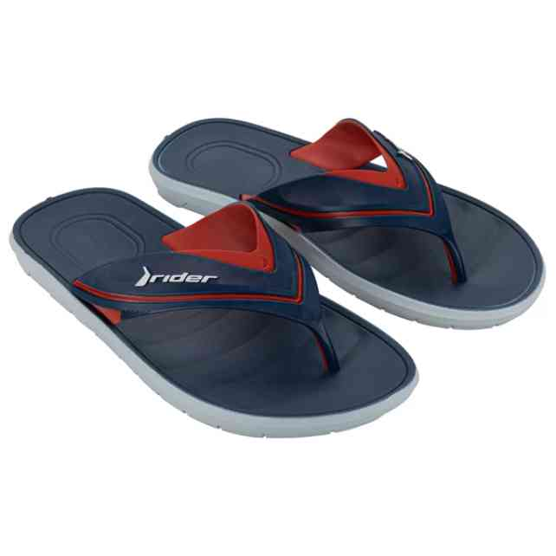 | 12455-BH268 | RIDER FREE III THONG | 1-1-2-3-3-2 | 24 | 4,163 Ft | 3,539 Ft | 9,990 Ft
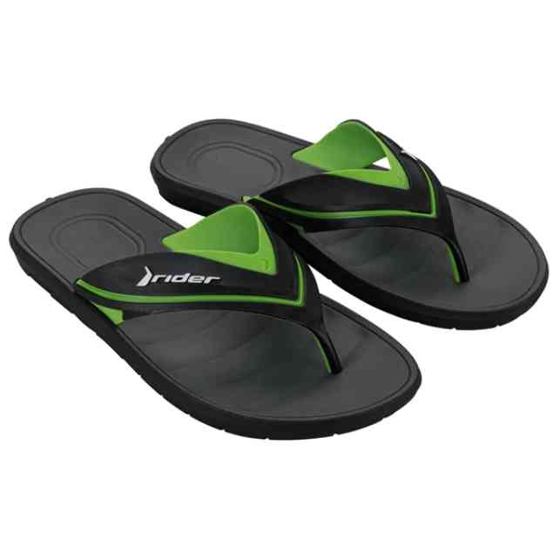 | 12455-BH269 | RIDER FREE III THONG | 1-1-2-3-3-2 | 12 | 4,163 Ft | 3,539 Ft | 9,990 Ft
 | 12455-BH272 | RIDER FREE III THONG | 1-1-2-3-3-2 | 24 | 4,163 Ft | 3,539 Ft | 9,990 Ft
 | 12491-BL084 | RIDER FEEL SLIDE AD | 2-2-3-3-2 | 84 | 2,913 Ft | 2,476 Ft | 6,990 Ft
 | 12491-BL085 | RIDER FEEL SLIDE AD | 2-2-3-3-2 | 36 | 2,913 Ft | 2,476 Ft | 6,990 Ft
 | 12511-BN354 | RIDER RUSH SLIDE AD | 1-2-3-3-2-1 | 24 | 5,413 Ft | 4,601 Ft | 12,990 Ft
 | 12511-BN357 | RIDER RUSH SLIDE AD | 1-2-3-3-2-1 | 60 | 5,413 Ft |  | 12,990 Ft
 | 12529-BQ116 | RIDER R SOFT PLUS SL | 1-2-3-3-2-1 | 12 | 7,913 Ft | 6,726 Ft | 18,990 Ft
 | 12529-BR934 | RIDER R SOFT PLUS SL | 1-2-3-3-2-1 | 48 | 7,913 Ft | 6,726 Ft | 18,990 Ft
 | 12547-BP672 | RIDER 2STRAPS SLIDE | 2-2-3-3-2 | 72 | 6,663 Ft | 5,664 Ft | 15,990 Ft
 | 12547-BP673 | RIDER 2STRAPS SLIDE | 2-2-3-3-2 | 47 | 6,663 Ft | 5,664 Ft | 15,990 Ft
 | 12547-BP673W | RIDER 2STRAPS SLIDE | 1-1-1-2-1 | 6 | 6,663 Ft | 5,664 Ft | 15,990 Ft
 | 12559-BT220 | RIDER R1PRIME R10 AD | 1-3-3-3-1-1 | 96 | 3,746 Ft | 3,184 Ft | 8,990 Ft
 | 12559-BT225 | RIDER R1PRIME R10 AD | 1-3-3-3-1-1 | 60 | 3,746 Ft | 3,184 Ft | 8,990 Ft
 | 12562-BT194 | RIDER R10 SLIDE AD | 1-2-4-3-2 | 24 | 4,163 Ft | 3,539 Ft | 9,990 Ft
 | 12568-BU414 | RIDER SMASH V SLIDE | 1-3-3-3-2 | 292 | 4,163 Ft | 3,539 Ft | 9,990 Ft
 | 12583-BT272 | RIDER R POWER R10 AD | 1-2-3-3-2-1 | 30 | 11,663 Ft | 9,914 Ft | 27,990 Ft
 | 12602-BU503 | RIDER R1 PR R10 KIDS | 1-1-1-1-2-2-2-2 | 48 | 3,329 Ft | 2,830 Ft | 7,990 Ft
 | 12602-BU503W | RIDER R1 PR R10 KIDS | 1-1-1-1-1-1 | 6 | 3,329 Ft | 2,830 Ft | 7,990 Ft
 | 12602-BU504 | RIDER R1 PR R10 KIDS | 1-1-1-1-2-2-2-2 | 36 | 3,329 Ft | 2,830 Ft | 7,990 Ft
 | 82656-02457 | RIDER RX III SANDAL | 1-2-3-3-2-1 | 4 | 8,329 Ft | 7,080 Ft | 19,990 Ft
 | 82739-24100 | RIDER DELTA THONG FE | 1-2-3-3-2-1 | 8 | 4,163 Ft | 3,539 Ft | 9,990 Ft
 | 83010-20743 | RIDER R1 SANDAL FEM | 1-2-3-2-2-2 | 10 | 4,163 Ft | 3,539 Ft | 9,990 Ft
 | 83010-20743A | RIDER R1 SANDAL | 1-2-3-3-2-1 | 24 | 2,913 Ft | 2,476 Ft | 6,990 Ft
 | 83010-20755A | RIDER R1 SANDAL | 1-2-3-3-2-1 | 60 | 2,913 Ft | 2,476 Ft | 6,990 Ft
 | 83453-AG290 | RIDER RT I PAPETE BA | 2-2-3-3-2 | 21 | 5,413 Ft | 4,601 Ft | 12,990 Ft
 | 83453-AG297 | RIDER RT I PAPETE BA | 2-2-3-3-2 | 12 | 5,413 Ft | 4,601 Ft | 12,990 Ft
 | 83499-AP412 | RIDER CAPE XVII AD | 1-2-3-3-2-1 | 12 | 5,413 Ft | 4,601 Ft | 12,990 Ft
 | 83527-AR447 | RIDER IMPULSE THONG | 1-2-3-3-2-1 | 48 | 4,579 Ft | 3,892 Ft | 10,990 Ft
 | 83527-BN359 | RIDER IMPULSE THONG | 1-2-3-3-2-1 | 24 | 4,579 Ft | 3,892 Ft | 10,990 Ft
 | 83631-AZ145 | RIDER CAPE XVIII AD | 1-2-3-3-2-1 | 216 | 4,996 Ft | 4,247 Ft | 11,990 Ft
 | 83631-AZ149 | RIDER CAPE XVIII AD | 1-2-3-3-2-1 | 12 | 5,829 Ft | 4,955 Ft | 13,990 Ft
 | 83631-BB242 | RIDER CAPE XVIII AD | 1-2-3-3-2-1 | 12 | 5,829 Ft | 4,955 Ft | 13,990 Ft
 | 83631-BM419 | RIDER CAPE XVIII AD | 1-2-3-3-2-1 | 60 | 4,996 Ft | 4,247 Ft | 11,990 Ft
 | 83631-BM420 | RIDER CAPE XVIII AD | 1-2-3-3-2-1 | 204 | 4,996 Ft | 4,247 Ft | 11,990 Ft
 | 83631-BM421 | RIDER CAPE XVIII AD | 1-2-3-3-2-1 | 47 | 4,996 Ft | 4,247 Ft | 11,990 Ft
 | 83631-BM422 | RIDER CAPE XVIII AD | 1-2-3-3-2-1 | 36 | 4,996 Ft | 4,247 Ft | 11,990 Ft
 | 83632-AZ137 | RIDER BAY XIV AD | 1-2-3-3-2-1 | 12 | 4,996 Ft |  | 11,990 Ft
 | 83632-BM433 | RIDER BAY XIV AD | 1-2-3-3-2-1 | 24 | 4,996 Ft |  | 11,990 Ft
 | 83632-BM434 | RIDER BAY XIV AD | 1-2-3-3-2-1 | 12 | 4,996 Ft |  | 11,990 Ft
 | 83632-BM436 | RIDER BAY XIV AD | 1-2-3-3-2-1 | 36 | 4,996 Ft |  | 11,990 Ft
 | 83633-AY959 | RIDER R1 ENERGY VII | 1-2-3-3-2-1 | 12 | 4,163 Ft | 3,539 Ft | 9,990 Ft
 | 83724-BE146 | RIDER TREK AD | 2-2-3-3-2 | 12 | 8,329 Ft | 7,080 Ft | 19,990 Ft
 | 83795-BN567 | RIDER DIP FEM | 2-2-3-3-2 | 48 | 4,996 Ft | 4,247 Ft | 11,990 Ft
 | 83795-BN580 | RIDER DIP FEM | 2-2-3-3-2 | 36 | 4,996 Ft | 4,247 Ft | 11,990 Ft
 | 83795-BN582 | RIDER DIP FEM | 2-2-3-3-2 | 83 | 4,996 Ft | 4,247 Ft | 11,990 Ft
 | 83795-BN584 | RIDER DIP FEM | 2-2-3-3-2 | 72 | 4,996 Ft | 4,247 Ft | 11,990 Ft
 | 83797-BN558 | RIDER FLOAT FEM | 2-2-3-3-2 | 24 | 5,829 Ft |  | 13,990 Ft
 | 83797-BN561 | RIDER FLOAT FEM | 2-2-3-3-2 | 48 | 5,829 Ft |  | 13,990 Ft
 | 83797-BN562 | RIDER FLOAT FEM | 2-2-3-3-2 | 35 | 5,829 Ft |  | 13,990 Ft
 | 83797-BN565 | RIDER FLOAT FEM | 2-2-3-3-2 | 48 | 5,829 Ft |  | 13,990 Ft
 | 83799-BN574 | RIDER FLOW FEM | 2-2-3-3-2 | 21 | 5,413 Ft |  | 12,990 Ft
 | 83799-BN574W | RIDER FLOW FEM | 1-1-2-1-1 | 6 | 5,413 Ft |  | 12,990 Ft
 | 83799-BN575 | RIDER FLOW FEM | 2-2-3-3-2 | 12 | 5,413 Ft |  | 12,990 Ft
 | 83799-BN578 | RIDER FLOW FEM | 2-2-3-3-2 | 30 | 5,413 Ft |  | 12,990 Ft
 | 83863-BO889 | RIDER FULL 86 II FEM | 2-4-4-2 | 52 | 4,163 Ft |  | 9,990 Ft
 | 83863-BO891 | RIDER FULL 86 II FEM | 2-4-4-2 | 24 | 4,163 Ft |  | 9,990 Ft
 | 83863-BO893 | RIDER FULL 86 II FEM | 2-4-4-2 | 24 | 4,163 Ft |  | 9,990 Ft
 | 83863-BO895 | RIDER FULL 86 II FEM | 2-4-4-2 | 36 | 4,163 Ft |  | 9,990 Ft
 | 83874-BQ138 | RIDER DUNAS VII AD | 1-2-3-3-2-1 | 12 | 6,663 Ft | 5,664 Ft | 15,990 Ft
 | 83874-BQ141 | RIDER DUNAS VII AD | 1-2-3-3-2-1 | 12 | 6,663 Ft | 5,664 Ft | 15,990 Ft
 | 83876-BQ282 | RIDER FIJI THONG AD | 1-2-3-3-2-1 | 24 | 6,663 Ft | 5,664 Ft | 15,990 Ft
 | 83876-BQ298 | RIDER FIJI THONG AD | 1-2-3-3-2-1 | 72 | 6,663 Ft | 5,664 Ft | 15,990 Ft
 | 83876-BQ301 | RIDER FIJI THONG AD | 1-2-3-3-2-1 | 23 | 6,663 Ft | 5,664 Ft | 15,990 Ft
 | 83877-BQ156 | RIDER MALTA AD | 1-2-3-3-2-1 | 24 | 5,413 Ft | 4,601 Ft | 12,990 Ft
 | 83877-BQ157 | RIDER MALTA AD | 1-2-3-3-2-1 | 12 | 5,413 Ft | 4,601 Ft | 12,990 Ft
 | 83877-BQ158 | RIDER MALTA AD | 1-2-3-3-2-1 | 12 | 5,413 Ft | 4,601 Ft | 12,990 Ft
 | 83877-BQ160 | RIDER MALTA AD | 1-2-3-3-2-1 | 12 | 5,413 Ft | 4,601 Ft | 12,990 Ft
 | 83878-BQ232 | RIDER DUNAS THONG FE | 2-2-3-3-2 | 48 | 6,246 Ft | 5,309 Ft | 14,990 Ft
 | 83878-BQ233 | RIDER DUNAS THONG FE | 2-2-3-3-2 | 58 | 6,246 Ft | 5,309 Ft | 14,990 Ft
 | 83878-BQ236 | RIDER DUNAS THONG FE | 2-2-3-3-2 | 42 | 6,246 Ft | 5,309 Ft | 14,990 Ft
 | 83878-BS063 | RIDER DUNAS THONG FE | 2-2-3-3-2 | 12 | 6,246 Ft | 5,309 Ft | 14,990 Ft

